2.1 Init Display(Evaluate Repo)
C-6
C-1
3. Initial display (screen layout)
. Initial display (screen layout) | 3.1 Create User

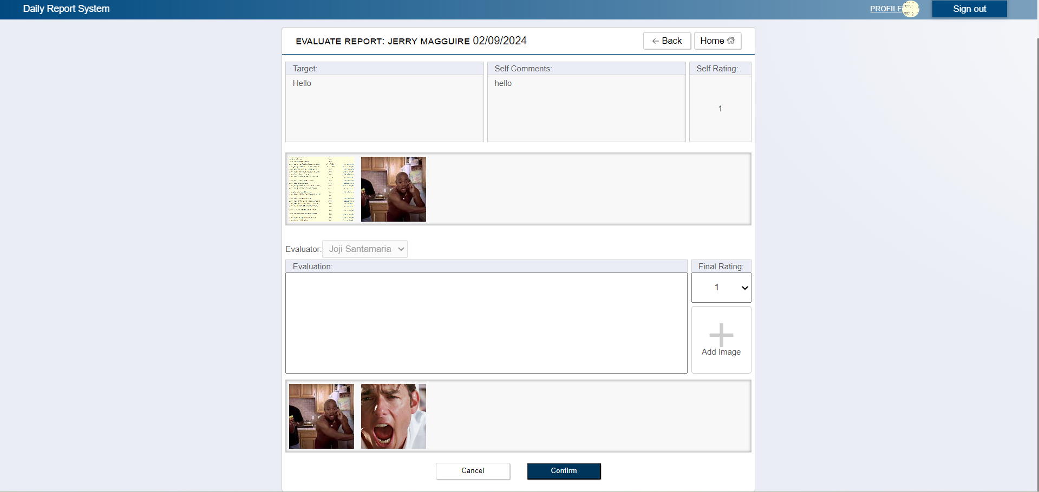
B-4
C-3
C-7

B-1
B-2
B-3

B-5,A-3

A-2
A-8

A-1

C-5

A-3, B-6

C-4
C-2

 | No | Area | Item Name | Notes | Source table fields
 | 1 | A-1 | Comment | text | ***
 | 2 | A-2 | Rating | list of ratings (1-5) | ***
 | 3 | A-3 | Images | jpg or png files only | ***
 | 4 | B-1 | Target | text | T_DAILY_REPORT.target
 | 5 | B-2 | Comment | text | T_SELF_EVALUATION.comment
 | 6 | B-3 | Rating | text | T_SELF_EVALUATION.rating
 | 7 | B-4 | Date | date | T_DAILY_REPORT.reportDate
 | 8 | B-5 | Images | file | T_EVAL_ATTACHED_FILE.filePath
 | 9 | B-6 | Evaluator Files | file | from file upload
 | 10 | C-1 | Logout | Logout from Web Application | ***
 | 11 | C-2 | Submit | Proceed to confirmation page | ***
 | 12 | C-3 | Back | Back to Relative Home Page | ***
 | 13 | C-4 | Cancel | Return to Leader Top Page | ***
 | 14 | C-5 | Upload | Pick A photo from folder | ***
 | 15 | C-6 | Profile | Move to User Profile Page | ***
 | 16 | C-7 | Home | Move to Leader Top Page | ***

2.2 Init Display(Confirmation)
3.2 Confirmation

C-6
C-1
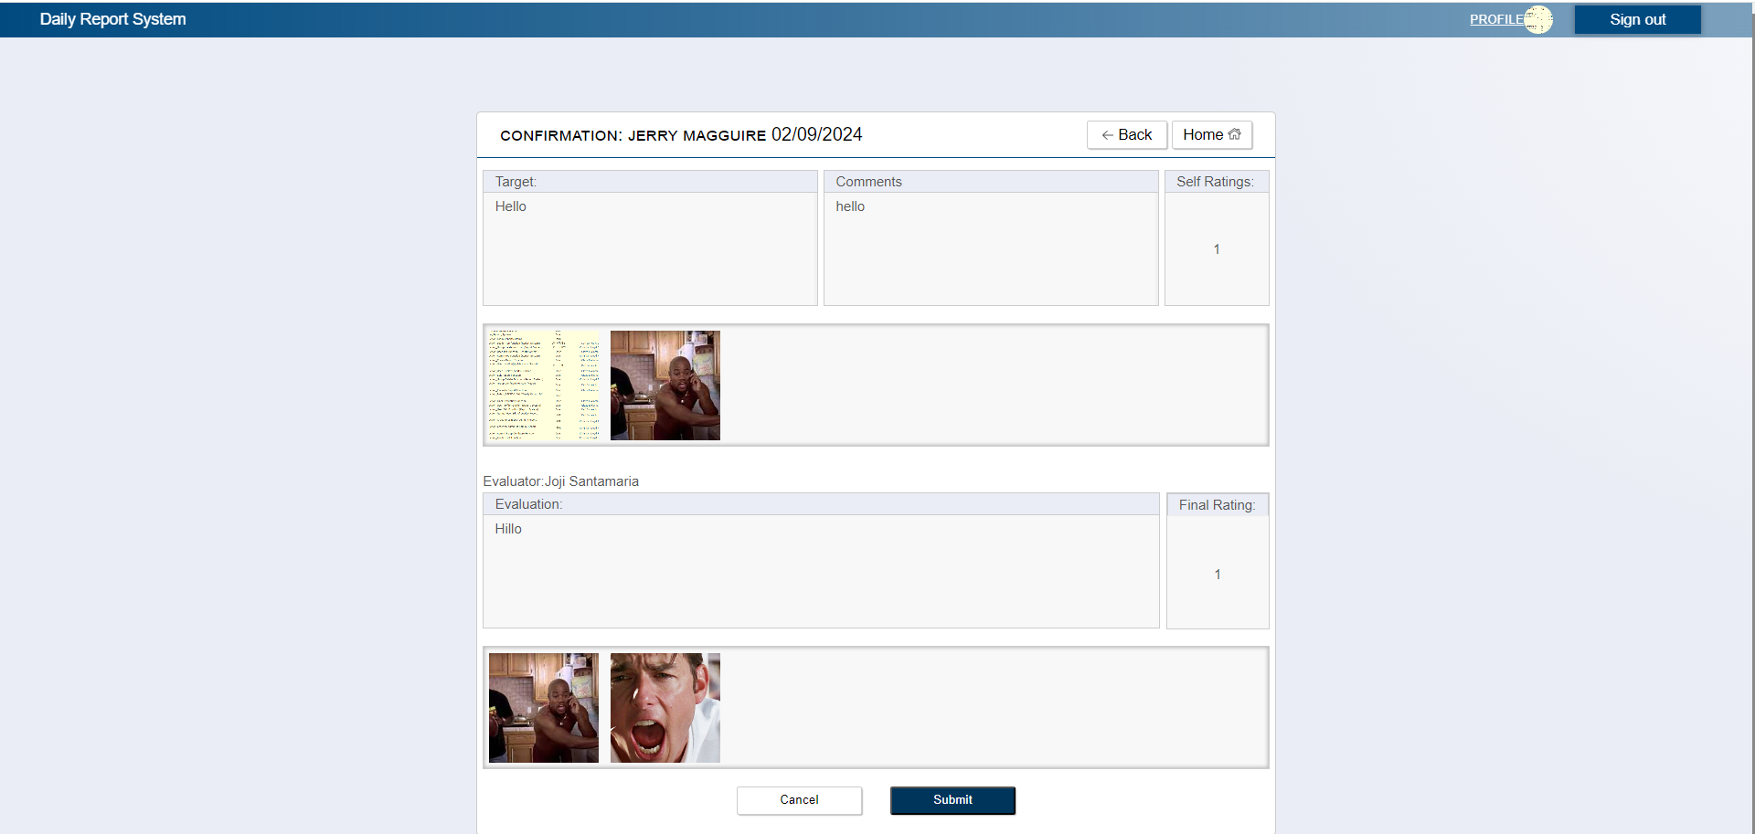

B-4
C-3
C-5

B-2
B-3
B-1

B-5

B-6

C-4
C-2

No | Area | Item Name | Notes | Source table fields
1 | B-1 | Target | text | T_DAILY_REPORT.target
2 | B-2 | Comment | text | T_SELF_EVALUATION.comment
3 | B-3 | Rating | text | T_SELF_EVALUATION.rating
4 | B-4 | Date | date | T_DAILY_REPORT.reportDate
5 | B-5 | Images | file | T_EVAL_ATTACHED_FILE.filePath
6 | B-6 | Evaluator Files | Input from previous page | from file upload
7 | C-1 | Logout | Logout from web application | Logout from web application
8 | C-2 | Submit | Evaluate report and save information of the evaluated report and return to leader page with success or error message | ***
9 | C-3 | Back | Go Back to Evaluate Report with the inputs of the leader | ***
10 | C-4 | Cancel | Cancel Evaluation of the report and return to leader top page | ***
11 | C-5 | Home | Return To Home Page | ***
12 | C-6 | Profile | Move to User Profile Page | M_USER_INFORMATION.firstName,M_USER_INFORMATION.lastName, M_USER_INFORMATION.username, M_USER_INFORMATION.email, M_GROUP.groupName

